CRANKSHAFT
PT SAPTAINDRA SEJATI
PLANT REBUILD CENTER

CRANKSHAFT MEASURING PROCESS AND
INSPECTION CHECKSHEET

WO NUMBER |  |  |  |  |  |  |  |  | PART NAME |  |  | CRANKSHAFT ASSY |  |  |  |  | DOCUMENT NO |  |  | RC/QR03/EG/03/02
ENGINE MODEL |  |  |  | 12V140-1 |  |  |  |  | PART NUMBER |  |  | 6215-31-1100/6219-31-1100 |  |  |  |  | PUBL. DATE |  |  | 07/08/2008
ENGINE S/N |  |  |  |  |  |  |  |  | START DATE / TIME |  |  |  |  |  |  |  | REVISION NO. |  |  | 04
MACHINE MODEL |  |  |  |  | WA 800-3 |  |  |  | FINISH DATE / TIME |  |  |  |  |  |  |  | PAGE

SKETCH DRAWING |  |  |  |  |  |  |  |  |  |  | MECHANIC NAME

Pin Journal
Main Journal
1
2
4
3
 |  |  |  |  |  |  |  |  |  |  | Standard size |  |  |  |  |  |  |  |  |  |  |  | Unit : mm
 |  |  |  |  |  |  |  |  |  |  | SIZE |  | MAIN JOURNAL |  |  |  |  |  | PIN JOURNAL
 |  |  |  |  |  |  |  |  |  |  |  |  | STD SIZE |  |  | REPAIR LIMIT |  |  | STD SIZE |  |  | REPAIR LIMIT
 |  |  |  |  |  |  |  |  |  |  | STANDARD |  | 148.000 ~ 147.970 |  |  | 147.970 |  |  | 100.000 ~ 99.980 |  |  | 99.880
 |  |  |  |  |  |  |  |  |  |  | Under Size 0.25 |  | 147.750 ~ 147.730 |  |  | 147.730 |  |  | 99.750 ~ 99.730 |  |  | 99.630
 |  |  |  |  |  |  |  |  |  |  | Under Size 0.50 |  | 147.500 ~ 147.480 |  |  | 147.480 |  |  | 99.500 ~ 99.480 |  |  | 99.380
 |  |  |  |  |  |  |  |  |  |  | ROUNDNESS |  | 0 ~ 0.010 |  |  |  |  |  | 0 ~ 0.010
 |  |  |  |  |  |  |  |  |  |  | STRAIGHTNESS |  |  |  |  | MAXIMUM = 0.15 mm ( TIR )

 |  |  |  |  |  |  |  |  |  |  | FILLET RADIUS CHECK |  |  |  |  |  |  | OK |  |  | Not OK
 |  |  |  |  |  |  |  |  |  |  | Main Journal |  |  | = 3.0 ~ 3.5 mm
 |  |  |  |  |  |  |  |  |  |  | Pin Journal |  |  | = 4.0 ~ 4.4 mm
Physical Data |  |  |  |  |  |  |  |  |  |  | VISUAL CHECK |  |  |  |  |  |  | OK |  |  | Not OK
 |  |  |  |  |  |  |  |  |  |  | CRACK HAS BEEN CHECKED
No. |  |  | Part Name |  |  |  | Qty | New | Reuse |  | MANHOURS UTILIZATION
1 |  |  | Crankshaft |  |  |  | 1 |  |  |  |  |  |  | START |  |  |  | FINISH |  |  | MAN HOURS
2 |  |  | Gear |  |  |  | 1
3 |  |  | Key |  |  |  | 1 |  |  |  | Measuring Process
4 |  |  | Dowel Pin |  |  |  | 1 |  |  |  | TOTAL

INSPECTION SALVAGE PROCESS

CRITICAL INSPECTION |  |  |  |  |  | CHECK POINT (DIMENSION) |  |  |  |  |  |  |  |  |  |  |  |  |  |  | ROUNDNESS MAX.
 |  |  |  |  |  | 1 |  |  |  |  |  |  |  |  |  | 2
 |  |  |  |  |  | X - X |  |  | Y - Y |  |  |  |  |  |  | X - X |  |  | Y - Y |  | X - Y
MAIN JOURNAL |  |  | 1 |  | MEC
 |  |  |  |  | QA
 |  |  | 2 |  | MEC
 |  |  |  |  | QA
 |  |  | 3 |  | MEC
 |  |  |  |  | QA
 |  |  | 4 |  | MEC
 |  |  |  |  | QA
 |  |  | 5 |  | MEC
 |  |  |  |  | QA
 |  |  | 6 |  | MEC
 |  |  |  |  | QA
 |  |  | 7 |  | MEC
 |  |  |  |  | QA

CRITICAL INSPECTION |  |  |  |  |  | CHECK POINT (DIMENSION) |  |  |  |  |  |  |  |  |  |  |  |  |  |  | ROUNDNESS MAX.
 |  |  |  |  |  | 1 |  |  |  |  |  |  |  |  |  | 2
 |  |  |  |  |  | X - X |  |  | Y - Y |  |  |  |  |  |  | X - X |  |  | Y - Y |  | X - Y
PIN JOURNAL |  |  | 1 |  | MEC
 |  |  |  |  | QA
 |  |  | 2 |  | MEC
 |  |  |  |  | QA
 |  |  | 3 |  | MEC
 |  |  |  |  | QA
 |  |  | 4 |  | MEC
 |  |  |  |  | QA
 |  |  | 5 |  | MEC
 |  |  |  |  | QA
 |  |  | 6 |  | MEC
 |  |  |  |  | QA
SRTAIGHTNESS |  |  |  | MAXIMUM = |  |  |  |  | mm | / | TIR = |  |  |  | mm

INSPECTION RESULT :

 |  | INSPECTION BY : |  |  |  |  |  |  |  |  |  |  |  | INSPECTION & APPROVAL BY :

 | MECHANIC (MEC) |  |  |  |  |  |  |  |  |  | QUALITY ASSURANCE (QA) |  |  |  |  |  |  |  | GL/SPV PRODUCTION

CAMSHAFT RH
PT SAPTAINDRA SEJATI
PLANT REBUILD CENTER

CAMSHAFT PROCESS
AND MEASUREMENT CHECK SHEET

JOB NUMBER |  |  |  |  |  | PART NAME |  |  |  |  | CAMSHAFT RH |  |  | DOCUMENT NO.
ENGINE MODEL |  | 12V140-1 |  |  |  | PART NUMBER |  |  |  |  |  |  |  | PUBL. DATE |  |  |  | RC/QR03/EG/07/01
ENGINE S/N |  |  |  |  |  | START DATE/TIME |  |  |  |  |  |  |  | REVISION NO. |  |  |  | 03
MACHINE MODEL |  |  |  |  |  | FINISH DATE/TIME |  |  |  |  |  |  |  | PAGE |  |  |  | 1 of 1

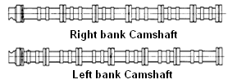
MACHINIST NAME

MAN HOURS UTILIZATION
 |  |  | START |  |  | FINISH |  |  | MAN HOURS
Machining Process
Measuring Process
TOTAL
 |  |  |  |  |  |  |  |  |  |  |  |  |  |  |  |  |  |  |  |  | Unit : mm
STANDARD |  |  |  |  | REPAIR LIMIT |  | No |  |  | CAMSHAFT JOURNAL |  |  |  | CAM LUBE INTAKE |  |  |  |  | CAM LUBE EXHAUST
 |  |  |  |  |  |  |  |  |  | MEC |  | QA | SPV | MEC | QA |  | SPV |  | MEC | QA |  | SPV
12V140 | Intake | = 55.58 ~ 55.38 |  |  | 55.08 |  | 1L |  | X
 | Exhaust | = 55.65 ~ 55.85 |  |  | 55.35 |  |  |  | Y
 | Cam Journal | = 64.984 ~ 64.964 |  |  |  |  | 2L |  | X
 |  |  |  |  |  |  |  |  | Y
6D140 | Intake | = 55.58 ~ 55.38 |  |  | 55.08 |  | 3L |  | X
 | Exhaust | = 55.85 ~ 55.65 |  |  | 55.35 |  |  |  | Y
 | Cam Journal | = 64.984 ~ 64.964 |  |  |  |  | 4L |  | X
 |  |  |  |  |  |  |  |  | Y
6D170-3 | Intake | = 91.240 ~ 91.040 |  |  | 89.20 |  | 5L |  | X
 | Exhaust | = 90.268 ~ 90.068 |  |  | 88.80 |  |  |  | Y
 | Cam Journal | = 104.958 ~ 104.928 |  |  | 104.88 |  | 6L |  | X
6D170-2 | Intake | = 62.414~ 62.214 |  |  | 61.37 |  |  |  | Y
 | Exhaust | = 60.678 ~ 60.478 |  |  | 59.64 |  | 7L |  | X
 | Cam Journal | = 71.92 ~ 71.89 |  |  | 71.86 |  |  |  | Y
 |  |  |  |  |  |  | 1R |  | X
 |  |  |  |  |  |  |  |  | Y
DESCRIPTION |  |  |  | OK | Not OK |  | 2R |  | X
 |  |  |  |  |  |  |  |  | Y
CRACK HAS BEEN CHECK |  |  |  |  |  |  | 3R |  | X
 |  |  |  |  |  |  |  |  | Y
 |  |  |  |  |  |  | 4R |  | X
 |  |  |  |  |  |  |  |  | Y
 |  |  |  |  |  |  | 5R |  | X
 |  |  |  |  |  |  |  |  | Y
 |  |  |  |  |  |  | 6R |  | X
 |  |  |  |  |  |  |  |  | Y
 |  |  |  |  |  |  | 7R |  | X
 |  |  |  |  |  |  |  |  | Y

INSPECTION RESULT :

 | INSPECTION BY : |  |  |  |  |  |  | INSPECTION & APPROVED BY :

 | MECHANIC(MEC) |  |  |  |  |  |  | QUALITY ASSURANCE (QA) |  |  |  |  |  |  |  | GL/SPV PRODUCTION

CAMSHAFT LH
PT SAPTAINDRA SEJATI
PLANT REBUILD CENTER

CAMSHAFT PROCESS
AND MEASUREMENT CHECK SHEET

JOB NUMBER |  |  |  |  |  | PART NAME |  |  |  |  | CAMSHAFT LH |  |  | DOCUMENT NO.
ENGINE MODEL |  | 12V140-1 |  |  |  | PART NUMBER |  |  |  |  |  |  |  | PUBL. DATE |  |  |  | RC/QR03/EG/07/01
ENGINE S/N |  |  |  |  |  | START DATE/TIME |  |  |  |  |  |  |  | REVISION NO. |  |  |  | 03
MACHINE MODEL |  |  |  |  |  | FINISH DATE/TIME |  |  |  |  |  |  |  | PAGE |  |  |  | 1 of 1

MACHINIST NAME

MAN HOURS UTILIZATION
 |  |  | START |  |  | FINISH |  |  | MAN HOURS
Machining Process
Measuring Process
TOTAL
 |  |  |  |  |  |  |  |  |  |  |  |  |  |  |  |  |  |  |  |  | Unit : mm
STANDARD |  |  |  |  | REPAIR LIMIT |  | No |  |  | CAMSHAFT JOURNAL |  |  |  | CAM LUBE INTAKE |  |  |  |  | CAM LUBE EXHAUST
 |  |  |  |  |  |  |  |  |  | MEC |  | QA | SPV | MEC | QA |  | SPV |  | MEC | QA |  | SPV
12V140 | Intake | = 55.58 ~ 55.38 |  |  | 55.08 |  | 1L |  | X
 | Exhaust | = 55.65 ~ 55.85 |  |  | 55.35 |  |  |  | Y
 | Cam Journal | = 64.984 ~ 64.964 |  |  |  |  | 2L |  | X
 |  |  |  |  |  |  |  |  | Y
6D140 | Intake | = 55.58 ~ 55.38 |  |  | 55.08 |  | 3L |  | X
 | Exhaust | = 55.85 ~ 55.65 |  |  | 55.35 |  |  |  | Y
 | Cam Journal | = 64.984 ~ 64.964 |  |  |  |  | 4L |  | X
 |  |  |  |  |  |  |  |  | Y
6D170-3 | Intake | = 91.240 ~ 91.040 |  |  | 89.20 |  | 5L |  | X
 | Exhaust | = 90.268 ~ 90.068 |  |  | 88.80 |  |  |  | Y
 | Cam Journal | = 104.958 ~ 104.928 |  |  | 104.88 |  | 6L |  | X
6D170-2 | Intake | = 62.414~ 62.214 |  |  | 61.37 |  |  |  | Y
 | Exhaust | = 60.678 ~ 60.478 |  |  | 59.64 |  | 7L |  | X
 | Cam Journal | = 71.92 ~ 71.89 |  |  | 71.86 |  |  |  | Y
 |  |  |  |  |  |  | 1R |  | X
 |  |  |  |  |  |  |  |  | Y
DESCRIPTION |  |  |  | OK | Not OK |  | 2R |  | X
 |  |  |  |  |  |  |  |  | Y
CRACK HAS BEEN CHECK |  |  |  |  |  |  | 3R |  | X
 |  |  |  |  |  |  |  |  | Y
 |  |  |  |  |  |  | 4R |  | X
 |  |  |  |  |  |  |  |  | Y
 |  |  |  |  |  |  | 5R |  | X
 |  |  |  |  |  |  |  |  | Y
 |  |  |  |  |  |  | 6R |  | X
 |  |  |  |  |  |  |  |  | Y
 |  |  |  |  |  |  | 7R |  | X
 |  |  |  |  |  |  |  |  | Y

INSPECTION RESULT :

 | INSPECTION BY : |  |  |  |  |  |  | INSPECTION & APPROVED BY :

 | MECHANIC(MEC) |  |  |  |  |  |  | QUALITY ASSURANCE (QA) |  |  |  |  |  |  |  | GL/SPV PRODUCTION

CON ROD
 |  |  | PT.SAPTA INDRA SEJATI
 |  |  | PLANT REBUILD CENTER
 |  |  |  |  |  |  |  |  |  |  |  |  |  | CONNECTING ROD SALVAGING PROCESS AND
 |  |  |  |  |  |  |  |  |  |  |  |  |  | INSPECTION CHECKSHEET

JOB NUMBER |  |  |  |  |  |  |  |  |  |  | PART NAME |  |  |  | CONNECTING ROD |  |  |  |  |  | DOCUMENT NO.
ENGINE MODEL |  |  |  |  |  | 12V140-1 SERIES |  |  |  |  | PART NUMBER |  |  |  |  |  |  |  |  |  | PUBL. DATE |  |  |  |  | 02/03/2009
ENGINE S/N |  |  |  |  |  |  |  |  |  |  | START DATE / TIME |  |  |  |  |  |  |  |  |  | REVISION NO. |  |  |  |  | 04
MACHINE MODEL |  |  |  |  |  |  |  |  |  |  | FINISH DATE / TIME |  |  |  |  |  |  |  |  |  | PAGE

SKETCH DRAWING |  |  |  |  |  |  |  |  |  |  |  | MACHANIST NAME

 |  |  |  |  |  |  |  |  |  |  |  | Standard size |  |  |  |  |  |  |  |  |  |  |  |  |  |  |  | Unit : mm
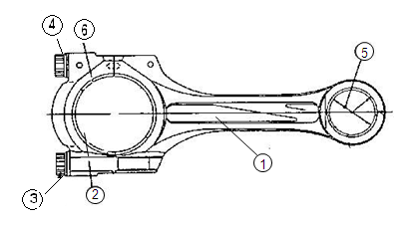
 |  |  |  |  |  |  |  |  |  |  |  | ENGINE MODEL |  |  | TIGHTENING BOLT STEP PROCESS WITHOUT BEARING (METAL) |  |  |  | DIAMETER SMALL END WITHOUT BEARING |  |  |  |  | DIAMETER SMALL END WITH BEARING |  |  |  | REPAIR LIMIT

 |  |  |  |  |  |  |  |  |  |  |  |  |  |  | KGM + ANGLE / °
 |  |  |  |  |  |  |  |  |  |  |  | 6D140 - 3 |  |  | 12.5 ~ 13.5 + 90 °~120 ° |  |  |  | 57.400 ~ 57.430 |  |  |  |  | 52.030 ~ 52.049 |  |  |  | 52.09
 |  |  |  |  |  |  |  |  |  |  |  | 6D170 - 3 |  |  | 19.0 ~ 21.0 + 90 °~105 ° |  |  |  | 75.000 ~ 75.030 |  |  |  |  | 68.010 ~ 68.049 |  |  |  | -
 |  |  |  |  |  |  |  |  |  |  |  | 12V140-1 |  |  | 7.0 ~ 8.0 + 90 °~120 ° |  |  |  | 57.400 ~ 57.449 |  |  |  |  | 52.030 ~ 52.049 |  |  |  | 52.09

 |  |  |  |  |  |  |  |  |  |  |  | ENGINE MODEL |  |  | DIAMETER BIG END WITHOUT BEARING |  |  |  | BEND ( a ) |  |  |  |  | TWIST ( b) |  |  |  | DISTANCE BETWEEN HOLE

 |  |  |  |  |  |  |  |  |  |  |  | 6D140 - 3 |  |  | 94.992 ~ 95.042 |  |  |  |  | RL 0.35 |  |  |  | RL 0.25 |  |  |  | 264
 |  |  |  |  |  |  |  |  |  |  |  | 6D170 - 3 |  |  | 115.000 ~ 115.026 |  |  |  |  | RL 0.10 |  |  |  | RL 0.25 |  |  |  | 305
Physical Data |  |  |  |  |  |  |  |  |  |  |  | 12V140-1 |  |  | 105.996 ~ 106.026 |  |  |  |  | RL 0.15 |  |  |  | RL 0.30 |  |  |  | 305

No. | Part Number |  |  |  | Part Name |  |  | Qty | New |  | Reuse | VISUAL CHECK |  |  |  |  |  |  |  |  | OK |  |  |  |  |  | NOT
1 |  |  |  |  | Connecting rod |  |  |  |  |  |  | CRACK HAS BEEN CHECKED
2 |  |  |  |  | Connecting rod cap
3 |  |  |  |  | Connecting rod bolt |  |  |  |  |  |  | MANHOURS UTILIZATION
4 |  |  |  |  | Washer |  |  |  |  |  |  |  |  |  |  | START |  |  |  |  | FINISH |  |  |  |  |  | MAN HOURS
5 |  |  |  |  | Small end bushing |  |  |  |  |  |  | Machining Process
6 |  |  |  |  | Crank pin Metal |  |  |  |  |  |  | Measuring Process
 |  |  |  |  |  |  |  |  |  |  |  | TOTAL
BIG END BEFORE SALVAGING PROCESS (NEW BEARING)
CON-ROD NO. |  |  |  | TIGHTENING BOLTS |  |  |  | CHECK POINT |  | Ø BIG END WITHOUT BEARING
 |  |  |  |  |  |  |  |  |  | X - X' |  |  |  |  |  | Y - Y' |  |  |  |  |  |  |  |  | Z - Z'
 |  |  |  |  |  |  |  |  |  | MAC |  | QA |  | SPV |  | MAC |  | QA |  |  |  | SPV |  |  | MAC |  | QA |  |  | SPV
1R |  |  |  |  |  |  |  | A
2R |  |  |  |  |  |  |  | A
3R |  |  |  |  |  |  |  | A
4R |  |  |  |  |  |  |  | A
5R |  |  |  |  |  |  |  | A
6R |  |  |  |  |  |  |  | A
1L |  |  |  |  |  |  |  | A
2L |  |  |  |  |  |  |  | A
3L |  |  |  |  |  |  |  | A
4L |  |  |  |  |  |  |  | A
5L |  |  |  |  |  |  |  | A
6L |  |  |  |  |  |  |  | A
SMALL END BEFORE SALVAGING PROCESS (NEW BEARING)
CON-ROD NO. |  |  |  | TIGHTENING BOLTS |  |  |  | CHECK POINT |  | Ø SMALL END WITHOUT BEARING
 |  |  |  |  |  |  |  |  |  | X - X' |  |  |  |  |  |  |  |  |  | Y - Y'
 |  |  |  |  |  |  |  |  |  | MAC |  |  | QA |  |  | SPV |  |  |  | MAC |  |  |  |  | QA |  |  |  | SPV
1R |  |  |  |  |  |  |  | A
2R |  |  |  |  |  |  |  | A
3R |  |  |  |  |  |  |  | A
4R |  |  |  |  |  |  |  | A
5R |  |  |  |  |  |  |  | A
6R |  |  |  |  |  |  |  | A
1L |  |  |  |  |  |  |  | A
2L |  |  |  |  |  |  |  | A
3L |  |  |  |  |  |  |  | A
4L |  |  |  |  |  |  |  | A
5L |  |  |  |  |  |  |  | A
6L |  |  |  |  |  |  |  | A

SMALL END BEFORE SALVAGING PROCESS (NEW BEARING)
CON-ROD NO. |  |  |  | CHECK POINT |  |  | Ø SMALL END WITH BEARING
 |  |  |  |  |  |  | X - X' |  |  |  |  |  |  |  |  |  | Y - Y'
 |  |  |  |  |  |  | MAC |  |  | QA |  |  | SPV |  |  |  | MAC |  |  |  |  |  | QA |  |  |  |  | SPV
1R |  |  |  | A
2R |  |  |  | A
3R |  |  |  | A
4R |  |  |  | A
5R |  |  |  | A
6R |  |  |  | A
1L |  |  |  | A
2L |  |  |  | A
3L |  |  |  | A
4L |  |  |  | A
5L |  |  |  | A
6L |  |  |  | A
BIG END AFTER SALVAGING PROCESS (NEW BEARING)
CON-ROD NO. |  |  |  | TIGHTENING BOLTS |  |  |  | CHECK POINT |  | Ø BIG END WITHOUT BEARING
 |  |  |  |  |  |  |  |  |  | X - X' |  |  |  |  |  | Y - Y' |  |  |  |  |  |  |  |  | Z - Z'
 |  |  |  |  |  |  |  |  |  | MEC |  | QA |  | SPV |  | MEC |  | QA |  |  |  | SPV |  |  | MEC |  | QA |  |  | SPV
1R |  |  |  |  |  |  |  | A
 |  |  |  |  |  |  |  | B
2R |  |  |  |  |  |  |  | A
 |  |  |  |  |  |  |  | B
3R |  |  |  |  |  |  |  | A
 |  |  |  |  |  |  |  | B
4R |  |  |  |  |  |  |  | A
 |  |  |  |  |  |  |  | B
5R |  |  |  |  |  |  |  | A
 |  |  |  |  |  |  |  | B
6R |  |  |  |  |  |  |  | A
 |  |  |  |  |  |  |  | B
1L |  |  |  |  |  |  |  | A
 |  |  |  |  |  |  |  | B
2L |  |  |  |  |  |  |  | A
 |  |  |  |  |  |  |  | B
3L |  |  |  |  |  |  |  | A
 |  |  |  |  |  |  |  | B
4L |  |  |  |  |  |  |  | A
 |  |  |  |  |  |  |  | B
5L |  |  |  |  |  |  |  | A
 |  |  |  |  |  |  |  | B
6L |  |  |  |  |  |  |  | A
 |  |  |  |  |  |  |  | B
SMALL END AFTER SALVAGE PROCESS (NEW BEARING)
CON-ROD NO. |  |  |  | TIGHTENING BOLTS |  |  |  | CHECK POINT |  | Ø SMALL END WITHOUT BEARING
 |  |  |  |  |  |  |  |  |  | X - X' |  |  |  |  |  |  |  |  |  | Y - Y'
 |  |  |  |  |  |  |  |  |  | MAC |  |  | QA |  |  | SPV |  |  |  | MAC |  |  |  |  | QA |  |  |  | SPV
1R |  |  |  |  |  |  |  | A
 |  |  |  |  |  |  |  | B
2R |  |  |  |  |  |  |  | A
 |  |  |  |  |  |  |  | B
3R |  |  |  |  |  |  |  | A
 |  |  |  |  |  |  |  | B
4R |  |  |  |  |  |  |  | A
 |  |  |  |  |  |  |  | B
5R |  |  |  |  |  |  |  | A
 |  |  |  |  |  |  |  | B
6R |  |  |  |  |  |  |  | A
 |  |  |  |  |  |  |  | B

SMALL END AFTER SALVAGE PROCESS (NEW BEARING)
CON-ROD NO. |  |  |  | TIGHTENING BOLTS |  |  |  | CHECK POINT |  | Ø SMALL END WITHOUT BEARING
 |  |  |  |  |  |  |  |  |  | X - X' |  |  |  |  |  |  |  |  |  | Y - Y'
 |  |  |  |  |  |  |  |  |  | MAC |  |  | QA |  |  | SPV |  |  |  | MAC |  |  |  |  | QA |  |  |  | SPV
1L |  |  |  |  |  |  |  | A
 |  |  |  |  |  |  |  | B
2L |  |  |  |  |  |  |  | A
 |  |  |  |  |  |  |  | B
3L |  |  |  |  |  |  |  | A
 |  |  |  |  |  |  |  | B
4L |  |  |  |  |  |  |  | A
 |  |  |  |  |  |  |  | B
5L |  |  |  |  |  |  |  | A
 |  |  |  |  |  |  |  | B
6L |  |  |  |  |  |  |  | A
 |  |  |  |  |  |  |  | B
SMALL END AFTER SALVAGE PROCESS BY OPERATOR
CON-ROD NO. |  |  |  | CHECK POINT |  |  | Ø SMALL END WITH BEARING
 |  |  |  |  |  |  | X - X' |  |  |  |  |  |  |  |  |  | Y - Y'
 |  |  |  |  |  |  | MAC |  |  | QA |  |  | SPV |  |  |  | MAC |  |  |  |  |  | QA |  |  |  |  | SPV
1R |  |  |  | A
 |  |  |  | B
2R |  |  |  | A
 |  |  |  | B
3R |  |  |  | A
 |  |  |  | B
4R |  |  |  | A
 |  |  |  | B
5R |  |  |  | A
 |  |  |  | B
6R |  |  |  | A
 |  |  |  | B
1L |  |  |  | A
 |  |  |  | B
2L |  |  |  | A
 |  |  |  | B
3L |  |  |  | A
 |  |  |  | B
4L |  |  |  | A
 |  |  |  | B
5L |  |  |  | A
 |  |  |  | B
6L |  |  |  | A
 |  |  |  | B
CON ROD BENDING
CON-ROD NO. |  |  |  | BEND |  |  |  | TWIST |  |  |  |  |  | BEND AND TWIST
 |  |  |  | Indicator |  |  | Actual | Indicator |  |  | Actual |  |  | Measure with formula :
 |  |  |  | Reading |  |  | Bending | Reading |  |  | Twist
1R |  |  |  |  |  |  |  |  |  |  |  |  |  |  | Distance between hole |  |  |  |  | x | 1 Reading
2R |  |  |  |  |  |  |  |  |  |  |  |  |  |  | Width seat metal
3R
4R
5R
6R
1L
2L
3L
4L
5L
6L

INSPECTION RESULT :

 |  | INSPECTION BY : |  |  |  |  |  |  |  |  |  |  |  |  |  | INSPECTION & APPROVAL BY :

 | MACHINIST (MAC) |  |  |  |  |  |  |  |  |  |  |  | QUALITY ASSURANCE (QA) |  |  |  |  |  |  |  |  |  | PROD. SUPERVISOR (SPV)

CYL BLOCK
PT SAPTAINDRA SEJATI
NAROGONG REBUILD CENTER

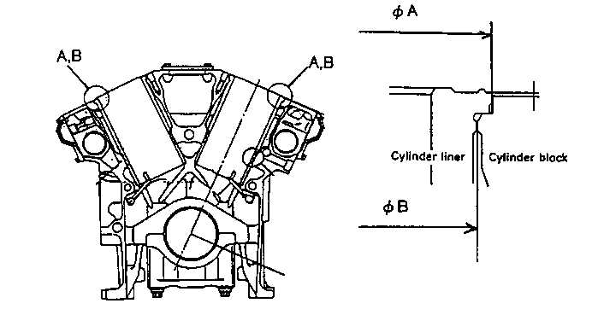
H,I
H
MEASURING CYLINDER BLOCK
INSPECTION CHECKSHEET

H,I
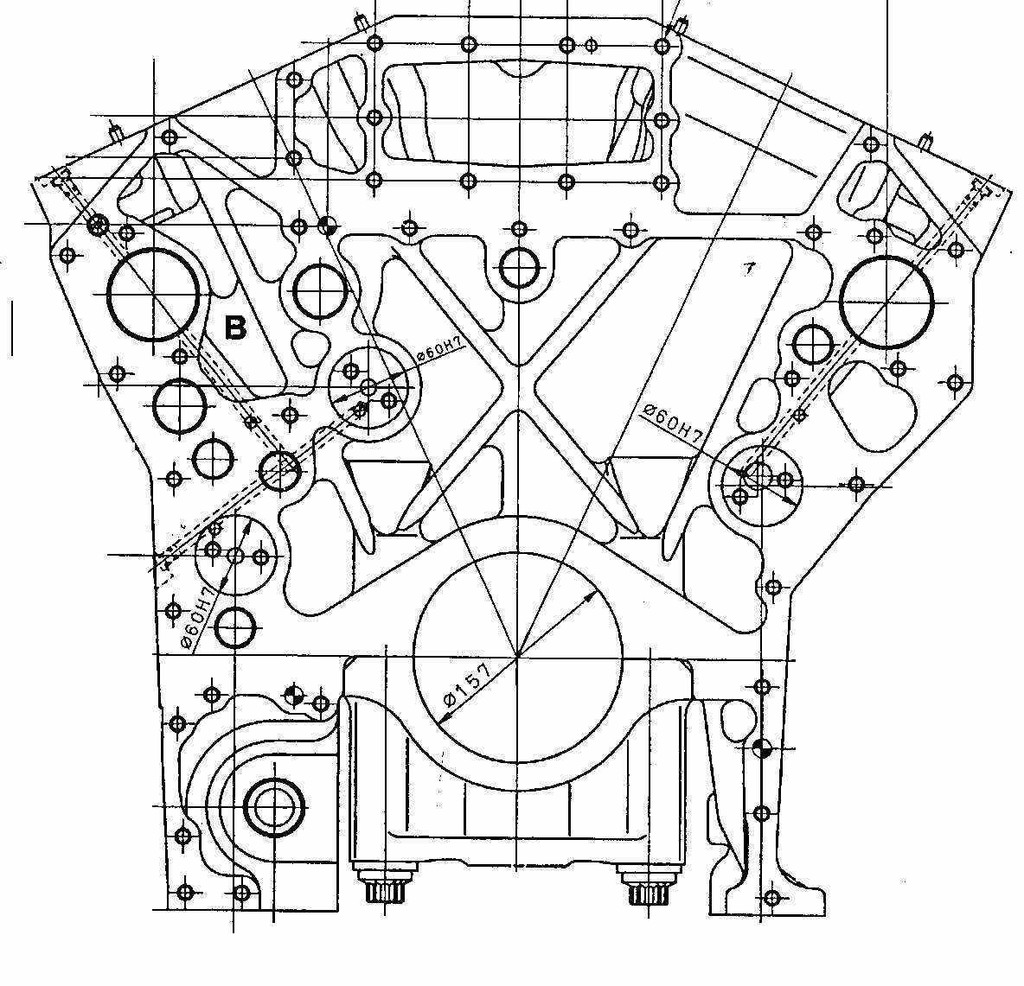
 | JOB NUMBER |  |  |  |  |  |  |  |  |  |  | PART NAME |  |  |  |  |  | CYLINDER BLOCK |  |  |  |  |  | DOCUMENT NO. |  |  |  |  | RC/QA/EG/018/R05
 | ENGINE MODEL |  |  |  |  |  | SA12V140 - 1/3 |  |  |  |  | PART NUMBER |  |  |  |  |  |  |  |  |  |  |  | PUBL. DATE |  |  |  |  | 15-05-2018
 | ENGINE SER.NO. |  |  |  |  |  |  |  |  |  |  | START.DATE / TIME |  |  |  |  |  |  |  |  |  |  |  | REVISION NO. |  |  |  |  | 05
 | MACHINE MODEL |  |  |  |  |  |  |  |  |  |  | FINISH DATE / TIME |  |  |  |  |  |  |  |  |  |  |  | PAGE
I
C
C,D
A
B
C,D
D
C
H
G
I
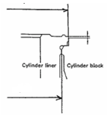
 | SKETCH DRAWING |  |  |  |  |  |  |  |  |  |  |  |  |  |  | MECHANIC NAME |  |  |  |  |  | Cyl. Block Inspection
 |  |  |  |  |  |  |  |  |  |  |  |  |  |  |  |  |  |  |  |  |  | Cyl. Block assembly
 |  |  |  |  |  |  |  |  |  |  |  |  |  |  |  | Standard Size |  |  |  |  |  |  |  |  | Unit : mm
 |  |  |  |  |  |  |  |  |  |  |  |  |  |  |  | DESCRIPTION |  |  |  |  |  |  |  |  |  | STANDARD SIZE
 |  |  |  |  |  |  |  |  |  |  |  |  |  |  |  | A |  | MAIN BEARING BORE |  |  |  |  |  |  |  | 157.000 ~ 157.025
E
 |  |  |  |  |  |  |  |  |  |  |  |  |  |  |  | B |  | CYLINDER BLOCK HEIGHT |  |  |  |  |  |  |  | 471.460 ~ 471.540
 |  |  |  |  |  |  |  |  |  |  |  |  |  |  |  |  |  | USE OVER SIZE GASKET |  |  |  |  |  |  |  | 471.062 ~ 471.450
C
 |  |  |  |  |  |  |  |  |  |  |  |  |  |  |  | C |  | COUNTER BORE DEPTH |  |  |  |  |  |  |  | 11.00 ~ 11.05
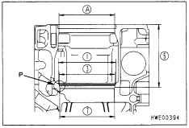
 |  |  |  |  |  |  |  |  |  |  |  |  |  |  |  | D |  | INSIDE DIAMETER (AT FLANGE SEAT) |  |  |  |  |  |  |  | 170.200 ~ 170.263
 |  |  |  |  |  |  |  |  |  |  |  |  |  |  |  | E |  | INSIDE DIAMETER (ATCOUNTERBORE) |  |  |  |  |  |  |  | 161.170 ~ 161.230
 |  |  |  |  |  |  |  |  |  |  |  |  |  |  |  | F |  | INSIDE DIAMETER (AT O-RING LAND) |  |  |  |  |  |  |  | VISUAL CHECK
H, I
G
 |  |  |  |  |  |  |  |  |  |  |  |  |  |  |  | G,H,I |  | TIMING GEAR HOLE |  |  |  |  |  |  |  | 60,000 ~ 60.030
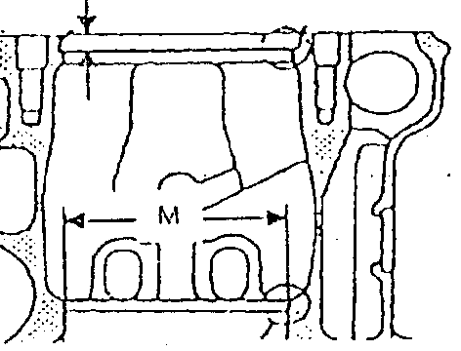
F
D
F
 |  |  |  |  |  |  |  |  |  |  |  |  |  |  |  | TIGHTENING TORQUE OF MAIN BEARING CAP |  |  |  |  |  |  |  |  | 1ST step = |  |  |  |  | 27.5 ~ 30.5 Kgm
 |  |  |  |  |  |  |  |  |  |  |  |  |  |  |  |  |  |  |  |  |  |  |  |  | 2ND step = |  |  |  |  | 57.0 ~ 59.0 Kgm
 |  |  |  |  |  |  |  |  |  |  |  |  |  |  |  |  |  |  |  |  |  |  |  |  | 3RD step = |  |  |  |  | 90° ~ 120°
E
B
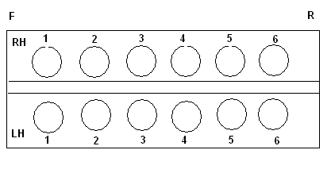
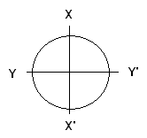
 |  |  |  |  |  |  |  |  |  |  |  |  |  |  |  | VISUAL CHECK |  |  |  |  |  |  |  |  | OK |  |  |  |  | Not OK
 |  |  |  |  |  |  |  |  |  |  |  |  |  |  |  | CRACK HAS BEEN CHECKED
A
 |  |  |  |  |  |  |  |  |  |  |  |  |  |  |  | MANHOURS UTILIZATION
 |  |  |  |  |  |  |  |  |  |  |  |  |  |  |  |  |  |  |  |  | START |  |  |  | FINISH |  |  |  |  | MAN HOURS
 |  |  |  |  |  |  |  |  |  |  |  |  |  |  |  | Measuring Process
 |  |  |  |  |  |  |  |  |  |  |  |  |  |  |  | TOTAL

 | MAIN BEARING BORE
 | A |  | Main Bore No. |  |  |  | X - X' |  |  |  |  |  |  |  |  | Y - Y' |  |  |  |  |  |  |  |  | Z - Z'
 |  |  | 1 |  | A
 |  |  |  |  | B
 |  |  | 2 |  | A
 |  |  |  |  | B
 |  |  | 3 |  | A
 |  |  |  |  | B
 |  |  | 4 |  | A
 |  |  |  |  | B
 |  |  | 5 |  | A
 |  |  |  |  | B
 |  |  | 6 |  | A
 |  |  |  |  | B
 |  |  | 7 |  | A
 |  |  |  |  | B
 | COUNTER BORE DEPHT
 | C |  | BEFORE MACHINING
 |  |  | R.H Bank Front |  |  |  | Cyl |  | Mech |  |  |  |  |  |  |  |  | L.H Bank Front |  |  |  | Cyl |  | Mech
 |  |  |  |  |  |  |  |  | X |  | X' |  |  | Y |  | Y' |  |  |  |  |  |  |  | X |  |  |  | Y |  |  | Y' |  | Y'
 |  |  |  |  |  |  | 1 |  |  |  |  |  |  |  |  |  |  |  |  |  |  | 1
 |  |  |  |  |  |  | 2 |  |  |  |  |  |  |  |  |  |  |  |  |  |  | 2
 |  |  |  |  |  |  | 3 |  |  |  |  |  |  |  |  |  |  |  |  |  |  | 3
 |  |  |  |  |  |  | 4 |  |  |  |  |  |  |  |  |  |  |  |  |  |  | 4
 |  |  |  |  |  |  | 5 |  |  |  |  |  |  |  |  |  |  |  |  |  |  | 5
 |  |  |  |  |  |  | 6 |  |  |  |  |  |  |  |  |  |  |  |  |  |  | 6

 | C |  | COUNTER BORE DEPTH |  |  |  |  |  |  | 11.00 ~ 11.05
 | D |  | INSIDE DIAMETER (AT FLANGE SEAT) |  |  |  |  |  |  | 170.200 ~ 170.263

 | C |  | AFTER MACHINING
 |  |  | R.H Bank |  |  |  | Cyl | X |  |  |  |  |  |  | X' |  |  |  |  |  | Y |  |  |  |  |  |  |  | Y'
 |  |  |  |  |  |  |  | Mech |  | QA |  |  | Spv |  | Mech |  | QA |  | Spv |  | Mech |  | QA |  |  | Spv |  |  | Mech |  |  | QA |  | Spv
 |  |  |  |  |  |  | 1
 |  |  |  |  |  |  | 2
 |  |  |  |  |  |  | 3
 |  |  |  |  |  |  | 4
 |  |  |  |  |  |  | 5
 |  |  |  |  |  |  | 6
 |  |  | L.H Bank |  |  |  | Cyl | X |  |  |  |  |  |  | X' |  |  |  |  |  | Y |  |  |  |  |  |  |  | Y'
 |  |  |  |  |  |  |  | Mech |  | QA |  |  | Spv |  | Mech |  | QA |  | Spv |  | Mech |  | QA |  |  | Spv |  |  | Mech |  |  | QA |  | Spv
 |  |  |  |  |  |  | 1
 |  |  |  |  |  |  | 2
 |  |  |  |  |  |  | 3
 |  |  |  |  |  |  | 4
 |  |  |  |  |  |  | 5
 |  |  |  |  |  |  | 6
 | INSIDE DIAMETER(AT FLANGE SEAT)
 | D |  | R.H Bank |  |  |  | Cyl | X - X' |  |  |  |  |  |  |  |  |  |  |  |  |  | Cyl | Y - Y'
 |  |  |  |  |  |  |  | CHECK |  |  |  |  |  |  |  |  |  |  |  |  |  |  | CHECK
 |  |  |  |  |  |  |  | MEC |  | QA/GL |  |  | SPV |  |  |  |  |  |  |  |  |  | MEC |  |  | QA/GL |  |  | SPV
 |  |  |  |  |  |  | 1 |  |  |  |  |  |  |  |  |  |  |  |  |  |  | 1
 |  |  |  |  |  |  | 2 |  |  |  |  |  |  |  |  |  |  |  |  |  |  | 2
 |  |  |  |  |  |  | 3 |  |  |  |  |  |  |  |  |  |  |  |  |  |  | 3
 |  |  |  |  |  |  | 4 |  |  |  |  |  |  |  |  |  |  |  |  |  |  | 4
 |  |  |  |  |  |  | 5 |  |  |  |  |  |  |  |  |  |  |  |  |  |  | 5
 |  |  |  |  |  |  | 6 |  |  |  |  |  |  |  |  |  |  |  |  |  |  | 6
 |  |  | L.H Bank |  |  |  | Cyl | X - X' |  |  |  |  |  |  |  |  |  |  |  |  |  | Cyl | Y - Y'
 |  |  |  |  |  |  |  | CHECK |  |  |  |  |  |  |  |  |  |  |  |  |  |  | CHECK
 |  |  |  |  |  |  |  | MEC |  | QA/GL |  |  | SPV |  |  |  |  |  |  |  |  |  | MEC |  |  | QA/GL |  |  | SPV
 |  |  |  |  |  |  | 1 |  |  |  |  |  |  |  |  |  |  |  |  |  |  | 1
 |  |  |  |  |  |  | 2 |  |  |  |  |  |  |  |  |  |  |  |  |  |  | 2
 |  |  |  |  |  |  | 3 |  |  |  |  |  |  |  |  |  |  |  |  |  |  | 3
 |  |  |  |  |  |  | 4 |  |  |  |  |  |  |  |  |  |  |  |  |  |  | 4
 |  |  |  |  |  |  | 5 |  |  |  |  |  |  |  |  |  |  |  |  |  |  | 5
 |  |  |  |  |  |  | 6 |  |  |  |  |  |  |  |  |  |  |  |  |  |  | 6

 | TIMING GEAR HOLE(VISUAL CHECK)
 | G,H,I |  |  |  |  | TIMING GEAR HOLES
 |  |  |  |  |  | X -X |  |  |  |  |  |  |  |  |  |  |  |  |  | Y - Y
 |  |  |  |  |  | Mac |  |  |  | QA/GL |  |  |  |  | Spv |  |  |  |  | Mac |  |  |  |  | QA/GL |  |  |  |  |  | Spv

 |  | E |  | INSIDE DIAMETER (AT COUNTERBORE) |  |  |  |  |  | 161.170 ~ 161.230
 |  | F |  | INSIDE DIAMETER (AT O-RING LAND) |  |  |  |  |  | VISUAL CHECK

 | INSIDE DIAMETER(AT COUNTERBORE)
 | E |  | RH |  |  |  | Cyl | X - X' |  |  |  |  |  |  |  |  |  |  |  | Cyl |  | Y - Y'
 |  |  |  |  |  |  |  | CHECK |  |  |  |  |  |  |  |  |  |  |  |  |  | CHECK
 |  |  |  |  |  |  |  | MEC |  |  | QA/GL |  |  |  |  | SPV |  |  |  |  |  | MEC |  |  |  | QA/GL |  |  |  |  | SPV
 |  |  |  |  |  |  | 1 |  |  |  |  |  |  |  |  |  |  |  |  | 1
 |  |  |  |  |  |  | 2 |  |  |  |  |  |  |  |  |  |  |  |  | 2
 |  |  |  |  |  |  | 3 |  |  |  |  |  |  |  |  |  |  |  |  | 3
 |  |  |  |  |  |  | 4 |  |  |  |  |  |  |  |  |  |  |  |  | 4
 |  |  |  |  |  |  | 5 |  |  |  |  |  |  |  |  |  |  |  |  | 5
 |  |  |  |  |  |  | 6 |  |  |  |  |  |  |  |  |  |  |  |  | 6
 |  |  | LH |  |  |  | Cyl | X - X' |  |  |  |  |  |  |  |  |  |  |  | Cyl |  | Y - Y'
 |  |  |  |  |  |  |  | CHECK |  |  |  |  |  |  |  |  |  |  |  |  |  | CHECK
 |  |  |  |  |  |  |  | MEC |  |  | QA/GL |  |  |  |  | SPV |  |  |  |  |  | MEC |  |  |  | QA/GL |  |  |  |  | SPV
 |  |  |  |  |  |  | 1 |  |  |  |  |  |  |  |  |  |  |  |  | 1
 |  |  |  |  |  |  | 2 |  |  |  |  |  |  |  |  |  |  |  |  | 2
 |  |  |  |  |  |  | 3 |  |  |  |  |  |  |  |  |  |  |  |  | 3
 |  |  |  |  |  |  | 4 |  |  |  |  |  |  |  |  |  |  |  |  | 4
 |  |  |  |  |  |  | 5 |  |  |  |  |  |  |  |  |  |  |  |  | 5
 |  |  |  |  |  |  | 6 |  |  |  |  |  |  |  |  |  |  |  |  | 6

 | INSIDE DIAMETER (AT O-RING LAND)
 | F |  | RH | Cyl |  | VISUAL CHECK |  |  |  |  |  |  |  |  |  |  | LH |  | Cyl |  |  | VISUAL CHECK
 |  |  |  |  |  | CHECK |  |  |  |  |  |  |  |  |  |  |  |  |  |  |  | CHECK
 |  |  |  |  |  | MEC |  | QA/GL |  | SPV |  |  |  |  |  |  |  |  |  |  |  | MEC |  | QA/GL |  |  | SPV
 |  |  |  | 1 |  |  |  |  |  |  |  |  |  |  |  |  |  |  | 1
 |  |  |  | 2 |  |  |  |  |  |  |  |  |  |  |  |  |  |  | 2
 |  |  |  | 3 |  |  |  |  |  |  |  |  |  |  |  |  |  |  | 3
 |  |  |  | 4 |  |  |  |  |  |  |  |  |  |  |  |  |  |  | 4
 |  |  |  | 5 |  |  |  |  |  |  |  |  |  |  |  |  |  |  | 5
 |  |  |  | 6 |  |  |  |  |  |  |  |  |  |  |  |  |  |  | 6

 | THICKNESS BETWEEN BLOCK AND STRAIGHT EDGE
 | RH |  |  | Cyl |  | CHECK |  |  |  |  |  |  |  |  |  |  | LH |  |  | Cyl |  | CHECK
 |  |  |  |  |  | CHECK |  |  |  |  |  |  |  |  |  |  |  |  |  |  |  | CHECK
 |  |  |  |  |  | MEC |  | QA/GL |  | SPV |  |  |  |  |  |  |  |  |  |  |  | MEC |  | QA/GL |  |  | SPV
 |  |  |  | 1 |  |  |  |  |  |  |  |  |  |  |  |  |  |  |  | 1
 |  |  |  | 2 |  |  |  |  |  |  |  |  |  |  |  |  |  |  |  | 2
 |  |  |  | 3 |  |  |  |  |  |  |  |  |  |  |  |  |  |  |  | 3
 |  |  |  | 4 |  |  |  |  |  |  |  |  |  |  |  |  |  |  |  | 4
 |  |  |  | 5 |  |  |  |  |  |  |  |  |  |  |  |  |  |  |  | 5
 |  |  |  | 6 |  |  |  |  |  |  |  |  |  |  |  |  |  |  |  | 6

 | INSPECTION RESULT :

 |  |  | MEASURED |  |  |  |  |  |  |  |  |  |  |  |  |  |  | INSPECTION & APPROVAL BY :

 |  |  |  | MECHANIC |  |  |  |  |  |  |  |  |  |  |  | QUALITY ASSURANCE (QA) |  |  |  |  |  |  |  |  |  |  | GL/SPV PRODUCTION

PIN PISTON
PT SAPTAINDRA SEJATI
PLANT REBUILD CENTER

 | PISTON PIN MEASURING
 | AND POLISHING CHECK SHEET

 | JOB NUMBER |  |  |  |  |  | PART NAME |  |  |  | PISTON PIN |  |  |  | DOCUMENT NO. |  | RC/QA/EG/088
 | ENGINE MODEL |  |  | 12V140-1,2 |  |  | PART NUMBER |  |  |  |  |  |  |  | PUBL. DATE |  | 07/08/2008
 | ENGINE S/N |  |  |  |  |  | START DATE / TIME |  |  |  |  |  |  |  | REVISION NO. |  | 04
 | MACHINE MODEL |  |  |  |  |  | FINISH DATE / TIME |  |  |  |  |  |  |  | PAGE |  | 1 of 1

. | MACHINIST NAME

 | MAN HOURS UTILIZATION
 | PROCESS |  |  |  | START |  |  | FINISH |  |  | MAN HOURS
 | Machining
 | Measuring
 | TOTAL

 | STANDARD (unit mm) |  |  |  |  |  |  | Clearance limit |  |  |  |  |  | QUANTITY
 | 12V140 Series = Ø 52.000 - 51.994 |  |  |  |  |  |  | 0.10

 | INSPECTION MEASURING PROCESS
 | CYL.NO. |  | CHECK |  |  | 1 |  |  |  | 2 |  |  |  | 3 |  |  |  | Clearance actual
 |  |  | POSITION |  |  | MAC | QA |  | SPV | MAC |  | QA | SPV | MAC |  | QA | SPV
 | RIGHT BANK | 1 | X - X'
 |  |  | Y - Y'
 |  | 2 | X - X'
 |  |  | Y - Y'
 |  | 3 | X - X'
 |  |  | Y - Y'
 |  | 4 | X - X'
 |  |  | Y - Y'
 |  | 5 | X - X'
 |  |  | Y - Y'
 |  | 6 | X - X'
 |  |  | Y - Y'
 | LEFT BANK | 1 | X - X'
 |  |  | Y - Y'
 |  | 2 | X - X'
 |  |  | Y - Y'
 |  | 3 | X - X'
 |  |  | Y - Y'
 |  | 4 | X - X'
 |  |  | Y - Y'
 |  | 5 | X - X'
 |  |  | Y - Y'
 |  | 6 | X - X'
 |  |  | Y - Y'

 | INSPECTION RESULT :

 |  | INSPECTION BY : |  |  |  |  |  |  | INSPECTION & APPROVED BY :

 |  | MACHINIST (MACH) |  |  |  |  |  |  | QUALITY ASSURANCE (QA) |  |  |  |  |  |  | GL/SPV PRODUCTION

